TYPES OF SQL COMMAND's
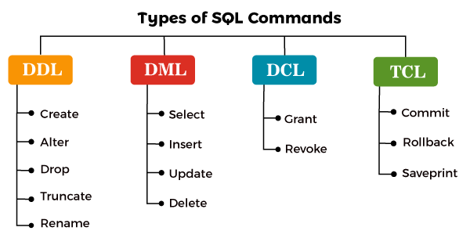

DATA DEFINATION LANGAUAGE(DDL) Statements.
STATEMENT | DESCRIPTION | SYNTAX | EXAMPLE
CREATE | Create new Database/table | CREATE TABLE table_name ( column1 datatype, column2 datatype, column3 datatype, CREATE DATABASE database_name; | Create Tabe EMP(Name Varcahr2(10),City Varchar2(15)); CREATE DATABASE OFFICEDB;
ALTER | Modifies the Structure of databases | ALTER TABLE table_name ADD column datatype(); | ALTER TABLE EMP ADD emp_id varchar(5);
DROP | Deletes a database/Table | Drop Table TableName; | Drop Table EMP;
TRUNCATE | Remove all Table Records including allocated table sapces | Truncate Table TableName; | TRUNCATE TABLE Categories;
RENAME | Rename the databases/table. | ALTER TABLE table_name RENAME COLUMN old_name TO new_name; | ALTER TABLE STUDENTS RENAME TO ARTISTS;

DATA MANIPULATION LANGAUAGE(DML) Statements.
STATEMENT | DESCRIPTION | SYNTAX | EXAMPLE
SELECT | Retrieve data from table/and represtent the table | SELECT column1, column2, ...FROM table_name; SELECT * From TableName; | SELECT EMP_ID,EMP_NAME FRPM EMP; SELECT * FROM EMP;
INSERT | Insert into data a table | INSERT INTO TABLE_NAME VALUES (value1, value2, value3, .... valueN); | INSERT INTO Emp (Author, Subject) VALUES ("Sonoo", "DBMS");
UPDATE | Update into existing data a table and Add the new data add table | UPDATE table_name SET [column_name1= value1,...column_nameN = valueN] [WHERE CONDITION] | UPDATE students SET User_Name = 'Sonoo' WHERE Student_Id = '3'
DELETE | Delete into records and rows from the table . | DELETE FROM table_name [WHERE condition]; | DELETE FROM javatpoint WHERE Author="Sonoo";
MERGE | MERGE(Also called Upsert) Statements to INSERT new records or UPDATE existing records depending on condition match or not. | MERGE target_table_name AS TARGET

DATA CONLROL LANGUAGE (DCL) STATEMENTS
STATEMENT | DESCRIPTION | SYNTAX | EXAMPLE
GRANT | Gives Privileges to user for accessing databases data. | grant privilege_name on object_name to {user_name | public | role_name} | grant insert, select on accounts to Ram
REVOKE | Take back for Privileges. | revoke privilege_name on object_name from {user_name | public | role_name} | revoke insert, select on accounts from Ram

TRANSACTION CONLROL LANGUAGE (TCL) STATEMENTS
STATEMENT | DESCRIPTION | SYNTAX | EXAMPLE
COMMIT | Permanent save into Databases. | COMMIT; | COMMIT;
ROLLBACK | Restore database to original from since the last commit. | ROLLBACK; | ROLLBACK;
SAVEPOINT | Create SAVEPOINT for later user ROLLBACK The New Changes. | SAVEPOINT SAVEPOINT_NAME; | DELETE FROM Student WHERE AGE = 20; //deleted SAVEPOINT SP2;
SET TRANSACTION | SET TRANSACTION command set transaction properties such as read-write/read only Access. | SET TRANSACTION [ READ WRITE | READ ONLY ]; | DECLARE daily_order_total NUMBER(12,2); weekly_order_total NUMBER(12,2); monthly_order_total NUMBER(12,2); BEGIN COMMIT; -- ends previous transaction SET TRANSACTION READ ONLY NAME 'Calculate Order Totals'; SELECT SUM (order_total) INTO daily_order_total FROM orders WHERE order_date = SYSDATE; SELECT SUM (order_total) INTO weekly_order_total FROM orders WHERE order_date = SYSDATE - 7; SELECT SUM (order_total) INTO monthly_order_total FROM orders WHERE order_date = SYSDATE - 30; COMMIT; -- ends read-only transaction END; /

FUNCTIONS
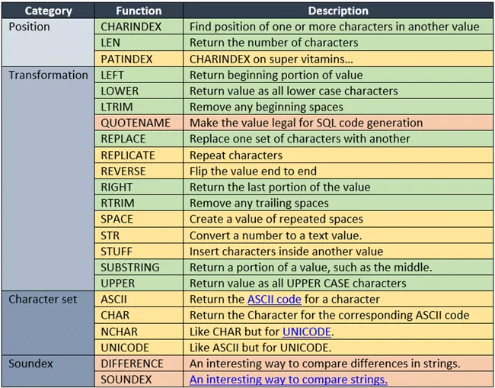
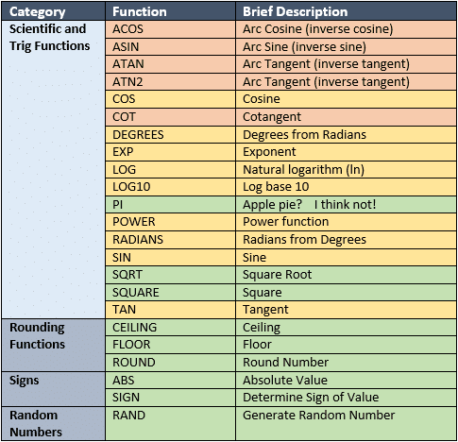
Functions
Sr. No. | SQL Function Statements | Definition | Syntax | Examples
CHARACTER FUNCTIONS (Case Manipulation Functions) |  |  |  | Accepts character input & can return both character & number values.
1 | LOWER | Converts character values to lowercase. | LOWER(Column/Expression) | LOWER ('SQL Course') -> Output: sql course
2 | UPPER | Converts character values to uppercase. | UPPER(Column/Expression) | UPPER ('SQL Course') -> Output: SQL COURSE
3 | INITCAP | Converts character values to uppercase for 1st letter of each word. | INITCAP(Column/Expression) | INITCAP ('SQL Course') -> Output: Sql Course
4 | CONCAT (Using ||) CONCAT (CONCAT Keyword) | Concatenates the 1st Character value to the 2nd character value. Similar to the concatenation operator (||) Concatenates the 1st Character value to the 2nd character value. Similar to the concatenation using Concat Keyword | ('First_String' || 'Second_String') CONCAT('First_String' , 'Second_String') | Select Ename,job,concat(Ename,job) Concat from emp where deptno = 10 select 'Oracal'||' '||'Corporation' from dual ; -> Output: Oracal Corporation
5 | SUBSTR | Returns specified characters from character value starting at character position. Extracts string of determined length. The substr() method extracts a part of a string. The substr() method begins at a specified position, and returns a specified number of characters. | SUBSTR(Col/Expr, m, n) | SUBSTR ('HelloWorld', 1, 5); -> Output: Hello
6 | LENGTH | Shows the length of a string as a numeric value. | LENGTH(Column/Expression) | SUBSTR ('HelloWorld'); -> Output: 10
7 | INSTR | Returns the numeric position of a named string. | INSTR(Column/Expression, Char, m, n) | INSTR ('HelloWorld', 'W'); -> Output: 6
8 | LPAD | Pads the character value right-justified. | LPAD(Char1, n, ‘Char2’) | LPAD (salary, 10, '*'); -> Output: *****24000
9 | RPAD | Pads the character value left-justified. | RPAD(Char1, n, ‘Char 2’) | RPAD (salary, 10, '*'); -> Output: 24000*****
10 | TRIM | Trims heading or trailing character or both from a character string. | TRIM(LEADING/TRAILING/BOTH, Trimchar FROM TrimSource) | TRIM ('H' FROM 'HelloWorld'); -> Output: elloWorld
11 | REPLACE | Searches a text expression for a character string and if found, Replaces it with a specified replacement string. | REPLACE(Char, Search_Str, Replace_Str) | REPLACE ('JACK and JUE', 'J', 'BL'); -> Output: BLACK and BLUE
12 | TRANSLATE | Used to Translate Character by Character in a String. | TRANSLATE(char, From, To) | SELECT Job, TRANSLATE(Job, ‘A’, ‘O’) FROM Emp WHERE Job = ‘SALESMAN’;-> Output: SOLESMON
13 | CHAR | It Returns a Character Having the ASCII Equivalent to ‘n’ It Returns the Equivalent For ‘n’ in Database Character Set or National Character Set. | CHR(n) CHR(n USING NCHAR_CS) | SELECT CHR(67)||CHR(65)||CHR(84) Sample FROM DUAL; SELECT CHR(16705 Using NCHAR_CS) FROM DUAL;
14 | ASCII | It Returns The ASCII Representation in the Character Database Set of The First Characters of the CHAR. | ASCII(Char) | SELECT ASCII(‘A’), ASCII(‘APPLE’) FROM DUAL;

NUMERIC FUNCTIONS |  |  |  | Accepts numeric input & return numeric values.
15 | ROUND | function rounds a number to a specified number of decimal places. | ROUND(n, m) | ROUND (45.923, 2) FROM DUAL; -> Output: 45.92 ROUND (45.923, 0) FROM DUAL; -> Output: 46 ROUND (45.923, -1) FROM DUAL; -> Output: 50
16 | TRUNC | Truncs value to specified decimal. | TRUNC(n, m) | TRUNC (45.923, 2) FROM DUAL; -> Output: 45.92 TRUNC (45.923) FROM DUAL; -> Output: 45 TRUNC (45.923, -1) FROM DUAL; -> Output: 40
17 | CEIL | • The Adjustment is Done to The Highest Nearest Decimal Value. function returns the smallest integer value that is bigger than or equal to a number. | CEIL(n) | SELECT 15.1 NUM1, CEIL(15.1) FROM DUAL;-> Output: 16
18 | FLOOR | • The Adjustment is Done to The Lowest Nearest Decimal Values. function returns the largest integer value that is equal to or less than a number. | FLOOR(n) | SELECT 15.6 NUM1, floor(15.6) FROM DUAL;-> Output: 15
19 | SQRT | Return the square root of a number | SQRT(n) | Select SQRT(12) from Dual;-> Output: 5
20 | ABSOLUTE | This Fuction Its Returen ABSOLUTE Value | ABS(n) | Select ABS(-15) From Dual;-> Output: 15
21 | SING |  | SING(n)
22 | POWER | This function in SQL is used to return a results after raising a specified exponent number to a specified base number. For example if the base is 5 and exponent is 2, this will return a result of 25. | POWER(m, n) | SELECT POWER(4,2) FROM DUAL;
23 | MOD | Returns Remainder of division. • It Returns Remainder of ‘m’ Divided by ‘n’. • It Returns ‘m’ if ‘n’ is 0. | MOD(m, n) | SELECT last_name, salary, MOD (salary, 5000) FROM employees WHERE job_id = 'SA_REP';

DATE FUNCTIONS |  |  |  | Returns value of DATE. MONTH_BETWEEN function returns number.
24 | SYSDATE | To check Current Date and Time in SQL. | SYSDATE() | SELECT SYSDATE FROM DUAL; SELECT last_name, (SYSDATE - hire_date)/7 AS WEEKS FROM employees WHERE department_id =90;
25 | MONTHS_BETWEEN | Number of months between two dates. | MONTHS_BETWEEN('D1','D2') | MONTHS_BETWEEN ('01-SEP-95' , '11-JAN-94') OUTPUT: 19.6774194 Select Ename,Hiredate,sysdate, Months_Between(Sysdate,hiredate) from emp;
26 | ADD_MONTHS | Add Calendar months to date. In n numeric from | ADD_MONTHS ('Date', n) | ADD_MONTHS ('11-JAN-94', 6) OUTPUT: '11-JUL-94'
27 | NEXT_DAY | NEXT_DAY returns the date of the first weekday named by char that is later than the date date . | NEXT_DAY('DATE',Char) | NEXT_DAY ('01-SEP-95' , 'FRIDAY') OUTPUT: '08-SEP-95'
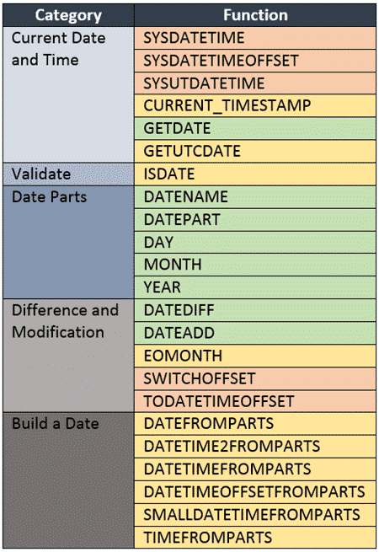
28 | LAST_DAY | Last day of the month. | Last_Day('DATE',Char) | LAST_DAY ('01-FEB-95' , 'FRIDAY') OUTPUT: '28-FEB-95' SELECT LAST_DAY(SYSDATE) Last, SYSDATE, LAST_DAY(SYSDATE)-SYSDATE Daysleft FROM DUAL;
29 | ROUND (WITH DATE FUNCTION) | Returns Date Rounded to The Unit Specified by The Format. If Format is Omitted, Date is Rounded to the Nearest Day. | ROUND(Date, ‘Format’) | ROUND (SYSDATE , 'MONTH') OUTPUT: '01-AUG-03' ROUND (SYSDATE , 'YEAR') OUTPUT: '01-JAN-04'
30 | TRUNC (WITH DATE FUNCTION) | Date is Truncated to the Nearest Date with the Time Portion of the Day Truncated to the Specified Unit. | TRUNC(Date, ‘Format’) | TRUNC (SYSDATE , 'MONTH') OUTPUT: '01-JUL-03' TRUNC (SYSDATE , 'YEAR') OUTPUT: '01-JAN-03'
CONVERSION FUNCTIONS |  |  |  | Converts a value from one data type to another.
31 | Implicit Data Type Conversion | •Implicit Data type Conversions work According to The Convention Specified by Oracle. •The Assignment Succeeds if the Oracle Server Can Convert the Data Type of The Value. •CHAR to NUMBER Conversions Succeed Only if The Character Strings Represent a Valid NUMBER. •CHAR to DATE Conversions Succeed Only if the Character Strings Represent the Default Format of Date DD-MON-YY. | VARCHAR2 or CHAR TO NUMBER VARCHAR2 or CHAR TO DATE NUMBER TO VARCHAR2 DATE TO VARCHAR2
32 | Explicit Data Type Conversion | SQL provides three functions to convert a value from one data type to another. | •TO_CHAR -> To Character Conversion. •TO_DATE -> To Date Conversion •TO_NUMBER -> To Number Conversion. | SELECT TO_CHAR (Hire_Date fm dd-mm-yyyy) SELECT TO_NUMBER (Hire_Date fm dd-mm-yyyy) SELECT TO_DATE (Hire_Date fm dd-mm-yyyy)
33 | TO_CHAR •TO_CHAR(Number Conversion) •TO_CHAR(Date Conversion) | TO_CHAR(Number Conversion)-Converts NUMBER of Number data Type to a Value of VARCHAR2 data Type, ‘fmt’ is The Optional Number Format, That Can be Used. TO_CHAR(Date Conversion)-
34 | RR Date Format | Data prior to 1990 is pulled using RR Date Format
35 | Nesting Functions | Single-row functions can be nested to any depth. Nested functions are evaluated from the innermost level to the outermost level. |  | SELECT last_name, UPPER (CONCAT (SUBSTR (LAST_NAME, 1, 8), 'US' )) FROM employees WHERE department_id = 60;
GENERAL FUNCTIONS
36 | NVL | Converts a null value to an actual value. |  | SELECT last_name, salary, NVL (commission_pct, 0), (salary*12) + (salary*12*NVL (commission_pct, 0)) AN_SAL FROM employees;
37 | NVL2 | If expr1 is not null, NVL2 returns expr2. If expr1 is null, NVL2 returns expr3. |  | SELECT last_name, salary, commission_pct NVL2 (commission_pct, 'SAL+COMM', 'SAL') income FROM employees WHERE department_id IN (50, 80);
38 | NULLIF | Compares 2 expressions & returns null if they are equal. It returns the 1st expression if they are not equal. |  | SELECT first_name, LENGTH (first_name) "expr1" last_name, LENGTH (last_name) "expr2", NULLIF (LENGTH (first_name) , LENGTH (last_name) ) result FROM employees;
39 | COALESCE | Returns the first non-null expression in the expression list. |  | SELECT last_name, COALESCE (manager_id, commission_pct, -1) comm FROM employees ORDER BY commission_pct;
40 | CASE | It works similar to the IF-THEN-ELSE statement. |  | SELECT last_name, job_id, salary, CASE job_id, WHEN 'IT_PROG' THEN 1.10*salary WHEN 'ST_CLERK' THEN 1.15*salary WHEN 'SA_REP' THEN 1.20*salary ELSE salary END "REVISED_SALARY" FROM employees;
41 | DECODE | It decodes the expression similar to IF-THEN-ELSE Logic |  | SELECT last_name, job_id, salary, DECODE (job_id, 'IT_PROG' 1.10*salary, 'ST_CLERK' 1.15*salary, 'SA_REP' 1.20*salary, salary) REVISED_SALARY FROM employees;
 |  | GROUP FUNCTIONS
42 | AVG | • It Returns the AVERAGE Value of Column. • It Ignores NULL Values. |  | SELECT AVG (age) FROM employee;
43 | SUM | • It Returns the SUM Value of Column. • It ignores NULL Values. |  | SELECT SUM (salary) FROM employee;
44 | MAX | • It Returns the Maximum Value of Column. • It Ignores NULL Values. |  | SELECT MAX (age) FROM employee; SELECT First_name, Salary FROM employees WHERE Salary = (SELECT MAX (Salary) FROM employees);
45 | MIN | Minimum value of expression, ignoring NULL values. |  | SELECT MIN (age) FROM employee;
46 | COUNT | Returns number of rows, other than Null. |  | SELECT COUNT (*) FROM employee; SELECT COUNT (*) FROM employee WHERE age>25;
47 | STDDEV | Standard deviation of n, ignoring Null values.
48 | VARIANCE | Variance of n, ignoring Null values.
49 | DISTINCT | Remove the Duplicate values while providing the output. |  | SELECT COUNT (DISTINCT department_id) FROM employees;
50 | GROUP BY | Arranges identical data into groups. We cannot use WHERE clause after GROUP BY function |  | 1) SELECT subject, COUNT(*) FROM tutorial GROUP BY subject; 2) SELECT subject, SUM(duration) FROM tutorial GROUP BY subject;
51 | COLUMN ALIAS | Displays desired Name of the column. Column Name can be changed. |  | 1) SELECT department_id dept_id, salary sal, FROM employees; 2) SELECT title AS Title, upload_date AS 'Upload Date, duration AS Length FROM tutorial;
52 | HAVING | Its an option for WHERE clause in GROUP BY function to avoid error. |  | SELECT department_id AVG (salary) FROM employees HAVING AVG (salary) > 8000 GROUP BY department_id;

